Sheet1
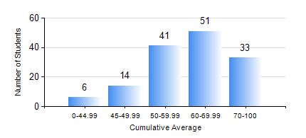
 |  |  | KWAME NKRUMAH UNIVERSITY OF SCIENCE AND TECHNOLOGY, KUMASI Department of Telecommunication Engineering

 |  |  | BSC. TELECOMMUNICATION ENG.

 |  |  | COMPREHENSIVE RECORD OF EXAMINATION RESULTS

 |  |  | RESULTS OF YEAR 3 SECOND SEMESTER, 2024/2025 ACADEMIC YEAR

 | Sn | Course Code |  | Course Name | Credit Hours | Min. Mark | Max. Mark | Avg. Mark | Std. Dev. | No. Passed | No. Trailed | No. (Df) | No. (I) | No. (I*) | No. Tagged(I,I*,Df) | Total
 | 0. |  |  |  |  |  |  | 0 | 0 | 0 | 0 | 0 | 0 | 0 | 0 | 3
 | 1. | TE 352 |  | DATA COMMUNICATION PRINCIPLES | 3 | 11 | 91 | 61 | 17.38 | 139 | 3 | 0 | 0 | 0 | 0 | 142
 | 2. | TE 354 |  | ANTENNA THEORY AND DESIGN | 3 | 0 | 91 | 75 | 10.71 | 141 | 1 | 0 | 0 | 0 | 0 | 142
 | 3. | TE 356 |  | SWITCHING COMMUNICATION PRINCIPLES | 2 | 5 | 87 | 51 | 13.82 | 120 | 22 | 0 | 0 | 0 | 0 | 142
 | 4. | TE 358 |  | DIGITAL COMMUNICATION SYSTEM | 3 | 34 | 94 | 71 | 13.3 | 140 | 2 | 0 | 0 | 0 | 0 | 142
 | 5. | TE 372 |  | ENGINEERING PROJECT DESIGN AND MANAGEMENT | 2 | 24 | 90 | 67 | 14.55 | 139 | 3 | 0 | 0 | 0 | 0 | 142
 | 6. | TE 374 |  | COMPUTER NETWORKING | 3 | 30 | 94 | 65 | 15.37 | 137 | 5 | 0 | 0 | 0 | 0 | 142
 | 7. | TE 392 |  | COMMUNICATIONS SYSTEMS LAB | 2 | 61 | 99 | 93 | 6.14 | 139 | 0 | 3 | 0 | 0 | 3 | 142

